Analysis
 | INV |  |  |  |  |  |  |  |  |  |  |  |  |  |  |  |  |  | NONINV
 | PURCH |  |  |  |  |  | RE-FI-CO |  |  |  |  |  | RE-FI-NCO |  |  |  |  |  | PURCH |  |  |  |  |  | RE-FI-CO |  |  |  |  |  | RE-FI-NCO
Row Labels | 'bal | 'actual.smm | 'model.smm | 'model w/o refi | 'Ratio | 'Ratio w/o refi | 'bal | 'actual.smm | 'model.smm | 'model w/o refi | 'Ratio | 'Ratio w/o refi | 'bal | 'actual.smm | 'model.smm | 'model w/o refi | 'Ratio | 'Ratio w/o refi | 'bal | 'actual.smm | 'model.smm | 'model w/o refi | 'Ratio | 'Ratio w/o refi | 'bal | 'actual.smm | 'model.smm | 'model w/o refi | 'Ratio | 'Ratio w/o refi | 'bal | 'actual.smm | 'model.smm | 'model w/o refi | 'Ratio | 'Ratio w/o refi
-175 |  |  |  |  |  |  |  |  |  |  |  |  | 3,732,890 | 0.00 | 0.43 | 0.43 | 0.00 | 0.00 | 1,585,574 | 0.00 | 0.53 | 0.53 | 0.00 | 0.00
-150 | 5,542,927 | 0.46 | 0.51 | 0.51 | 0.91 | 0.91 | 4,293,342 | 0.00 | 0.46 | 0.46 | 0.01 | 0.01 | 11,796,095 | 0.00 | 0.45 | 0.45 | 0.00 | 0.00 | 13,640,200 | 3.27 | 0.53 | 0.53 | 6.18 | 6.18 | 1,415,768 | 0.00 | 0.35 | 0.35 | 0.00 | 0.00 | 1,275,919 | 0.11 | 0.49 | 0.49 | 0.22 | 0.22
-125 | 117,493,420 | 0.09 | 0.53 | 0.53 | 0.16 | 0.16 | 83,797,282 | 0.68 | 0.46 | 0.46 | 1.46 | 1.46 | 192,650,274 | 0.39 | 0.46 | 0.46 | 0.84 | 0.84 | 68,210,555 | 0.78 | 0.49 | 0.49 | 1.61 | 1.61 | 21,186,605 | 0.02 | 0.42 | 0.42 | 0.04 | 0.04 | 40,965,351 | 0.02 | 0.38 | 0.38 | 0.06 | 0.06
-100 | 1,269,179,907 | 0.60 | 0.57 | 0.57 | 1.04 | 1.04 | 724,575,729 | 0.56 | 0.50 | 0.50 | 1.12 | 1.12 | 2,065,315,144 | 0.57 | 0.50 | 0.50 | 1.14 | 1.14 | 538,796,300 | 0.29 | 0.46 | 0.46 | 0.63 | 0.63 | 470,242,753 | 0.42 | 0.41 | 0.41 | 1.03 | 1.03 | 1,154,541,458 | 0.39 | 0.39 | 0.39 | 1.01 | 1.01
-75 | 5,754,777,261 | 0.72 | 0.64 | 0.64 | 1.11 | 1.11 | 2,892,419,381 | 0.59 | 0.55 | 0.55 | 1.07 | 1.07 | 8,789,142,516 | 0.62 | 0.55 | 0.55 | 1.13 | 1.13 | 9,715,911,023 | 0.56 | 0.48 | 0.48 | 1.15 | 1.15 | 6,175,875,933 | 0.39 | 0.44 | 0.44 | 0.90 | 0.90 | 18,588,774,395 | 0.42 | 0.42 | 0.42 | 1.02 | 1.02
-50 | 12,238,452,704 | 0.78 | 0.76 | 0.74 | 1.02 | 1.05 | 6,210,124,699 | 0.64 | 0.66 | 0.63 | 0.98 | 1.01 | 18,413,273,614 | 0.65 | 0.65 | 0.63 | 1.00 | 1.04 | 71,189,165,400 | 0.64 | 0.59 | 0.56 | 1.08 | 1.14 | 47,864,400,521 | 0.55 | 0.53 | 0.49 | 1.05 | 1.12 | 142,463,091,385 | 0.56 | 0.51 | 0.48 | 1.09 | 1.17
-25 | 14,834,246,120 | 0.95 | 0.92 | 0.85 | 1.02 | 1.11 | 8,398,744,936 | 0.67 | 0.81 | 0.72 | 0.83 | 0.93 | 23,218,044,063 | 0.81 | 0.80 | 0.72 | 1.01 | 1.12 | 171,205,312,138 | 0.76 | 0.74 | 0.64 | 1.03 | 1.19 | 118,410,719,111 | 0.66 | 0.67 | 0.57 | 0.98 | 1.15 | 331,274,624,618 | 0.65 | 0.65 | 0.55 | 0.99 | 1.17
0 | 14,903,289,835 | 0.93 | 1.02 | 0.90 | 0.91 | 1.03 | 8,558,932,494 | 0.96 | 0.91 | 0.77 | 1.06 | 1.25 | 23,127,059,566 | 0.95 | 0.91 | 0.78 | 1.05 | 1.21 | 174,526,082,209 | 0.84 | 0.83 | 0.68 | 1.01 | 1.24 | 139,893,814,347 | 0.77 | 0.76 | 0.61 | 1.01 | 1.26 | 360,316,407,047 | 0.74 | 0.75 | 0.60 | 0.99 | 1.24

 |  | INV |  |  |  |  |  | INV |  |  |  |  |  | INV |  |  |  |  |  | NONINV |  |  |  |  |  | NONINV |  |  |  |  |  | NONINV
 |  | PURCH | PURCH | PURCH |  |  |  | RE-FI-CO | RE-FI-CO | RE-FI-CO |  |  |  | RE-FI-NCO | RE-FI-NCO | RE-FI-NCO |  |  |  | PURCH | PURCH | PURCH |  |  |  | RE-FI-CO | RE-FI-CO | RE-FI-CO |  |  |  | RE-FI-NCO | RE-FI-NCO | RE-FI-NCO
 |  | actual | model | ratio |  |  |  | actual | model | ratio |  |  |  | actual | model | ratio |  |  |  | actual | model | ratio |  |  |  | actual | model | ratio |  |  |  | actual | model | ratio
-100 |  | 6.96 | 6.68 | 1.04 |  |  |  | 6.48 | 5.82 | 1.11 |  |  |  | 6.59 | 5.80 | 1.14 |  |  |  | 3.44 | 5.40 | 0.64 |  |  |  | 4.95 | 4.83 | 1.02 |  |  |  | 4.62 | 4.59 | 1.01
-75 |  | 8.27 | 7.45 | 1.11 |  |  |  | 6.87 | 6.43 | 1.07 |  |  |  | 7.17 | 6.39 | 1.12 |  |  |  | 6.49 | 5.66 | 1.15 |  |  |  | 4.62 | 5.11 | 0.90 |  |  |  | 4.98 | 4.89 | 1.02
-50 |  | 8.95 | 8.77 | 1.02 |  |  |  | 7.43 | 7.60 | 0.98 |  |  |  | 7.54 | 7.55 | 1.00 |  |  |  | 7.40 | 6.87 | 1.08 |  |  |  | 6.43 | 6.14 | 1.05 |  |  |  | 6.46 | 5.96 | 1.09
-25 |  | 10.79 | 10.55 | 1.02 |  |  |  | 7.78 | 9.28 | 0.84 |  |  |  | 9.30 | 9.22 | 1.01 |  |  |  | 8.79 | 8.52 | 1.03 |  |  |  | 7.61 | 7.74 | 0.98 |  |  |  | 7.47 | 7.56 | 0.99

 |  |  |  | 1.02 |  |  |  |  |  | 0.91 |  |  |  |  |  | 1.00 |  |  |  |  |  | 1.06 |  |  |  |  |  | 1.02

INV
INV
Non-INV
Non-INV

INV
INV
INV

Non-INV
Non-INV
Non-INV

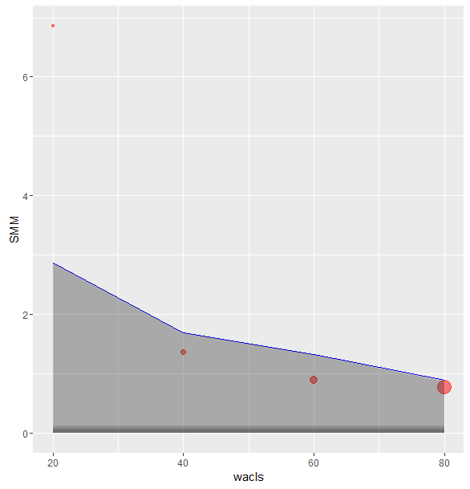
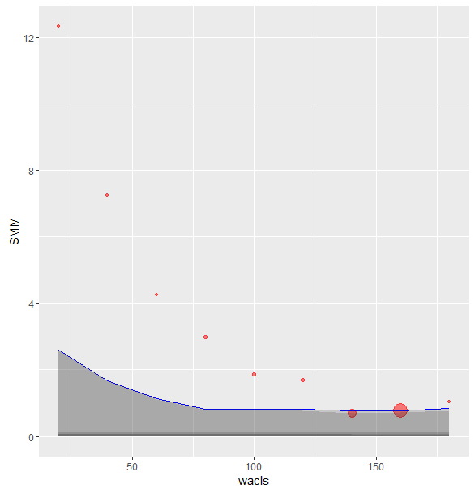
OLS 85K
OLS 175K

